TOP
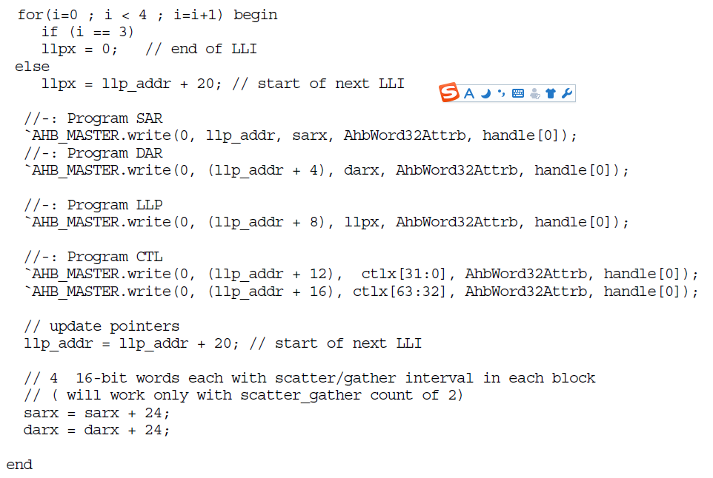

IO
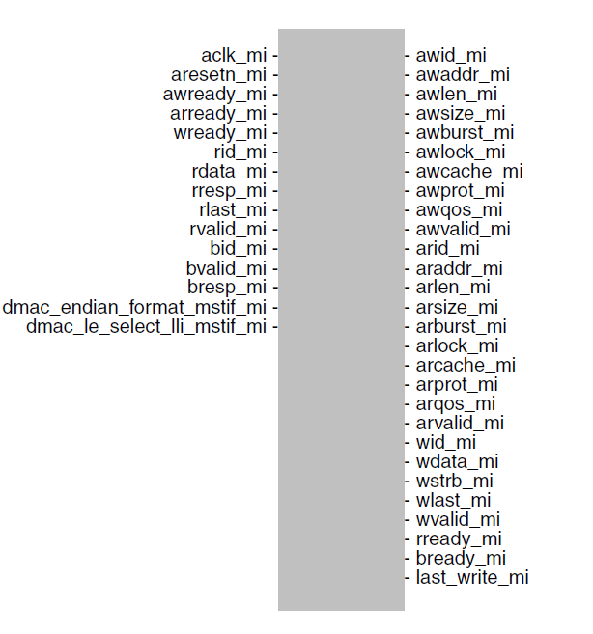




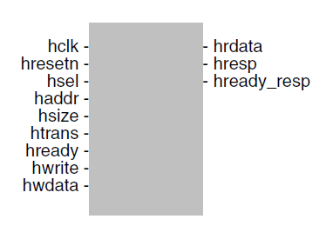


last_write_mi | Last write data of block transfer. Exists: (DMAX_ENABLE_LAST_WRITE == 1) Active State: High Synchronous to: aclk_mi /dmac_core_clock Registered: Yes
dmac_endian_format_mstif_mi | Master i interface endian format selection pins. Following are the endian formats supported: ■ 0: Little Endian ■ 1: Big Endian BE-8 Exists: (DMAX_STATIC_ENDIAN_SELECT_MSTIF == 0) Active State: High Synchronous to: aclk_mi /dmac_core_clock Registered: No
dmac_le_select_lli_mstif_mi | Master i interface endian format selection pin for LLI access (LLI fetch and LLI status write-back). The following are the endian formats supported: ■ 0: Endian scheme used for LLI access is same as that used for data access Mi interface ■ 1: Little endian method is used for LLI access irrespective of the endian scheme used for data access Mi interface. Exists: (DMAX_LLI_ENDIAN_SELECTION_PIN_EN == 1) Active State: High Synchronous to: aclk_mi /dmac_core_clock Registered: No
dmac_hold_req | Request to put DW_axi_dmac in hold (freeze) mode. Asserting this request puts the entire DW_axi_dmac in freeze mode without violating the AXI protocol. To exit the hold mode, this signal can be de-asserted after DW_axi_dmac asserts dmac_hold_ack. Exists: (DMAX_HOLD_IO_EN == 1) Active State: High Synchronous to: dmac_core_clock Registered: No
slvif_busy | Indicates whether the slave interface is busy. Exists: (DMAX_SLVIF_STATUS_OP_EN == 1) Active State: High Synchronous to: hclk/aclk/pclk/dmac_core_clock based DMAX_SLVIF_MODE AND DMAX_SLVIF_CLOCK_MODE Registered: No
dmac_busy | Indicates whether DW_axi_dmac core is busy. Exists: (DMAX_CORE_STATUS_OP_EN == 1) Active State: High Synchronous to: dmac_core_clock Registered: No
dmac_hold_ack | Hold request acknowledgement. DW_axi_dmac asserts this signal after entering the hold (freeze) mode. This signal is de-asserted when dmac_hold_req is de-asserted. NOTE: It is not allowed to deassert dmac_hold_req before asserting dmac_hold_ack. Exists: (DMAX_HOLD_IO_EN == 1) Active State: High Synchronous to: dmac_core_clock Registered: No

